Master Sheet
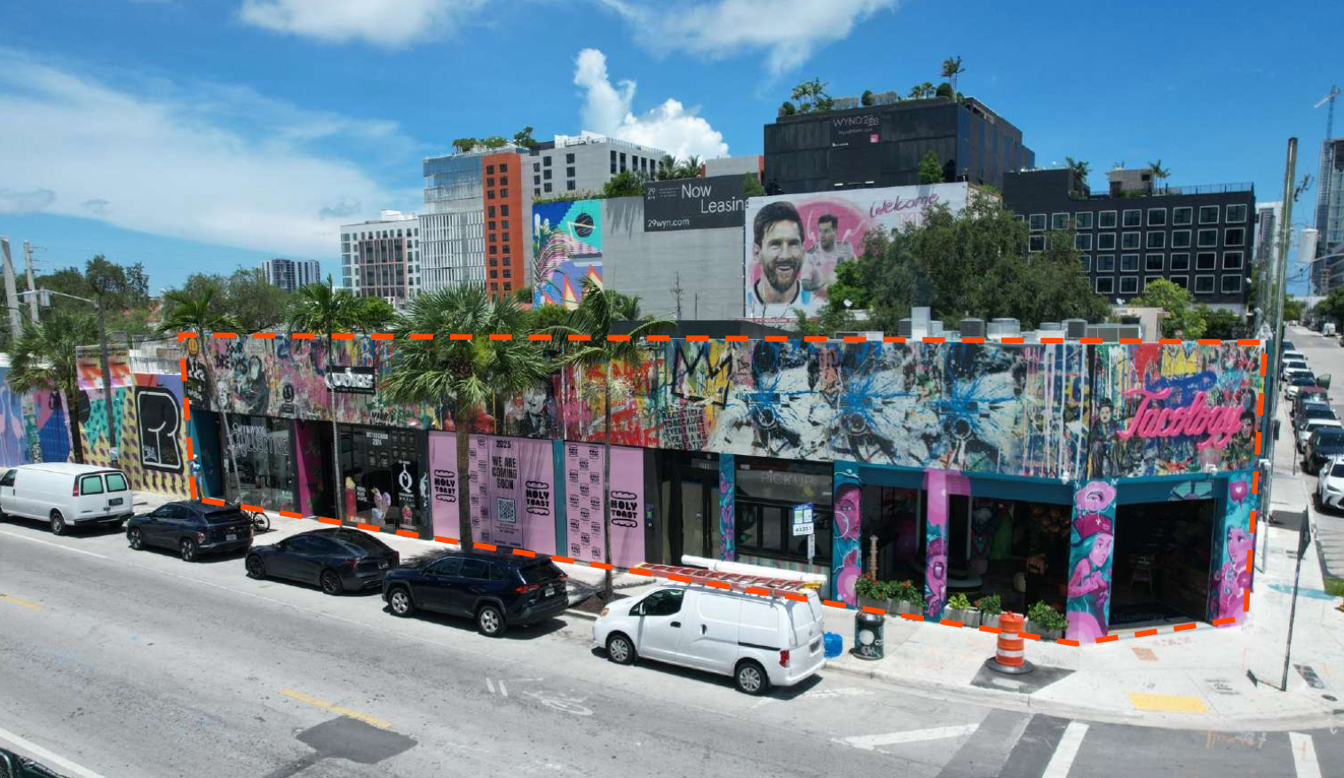
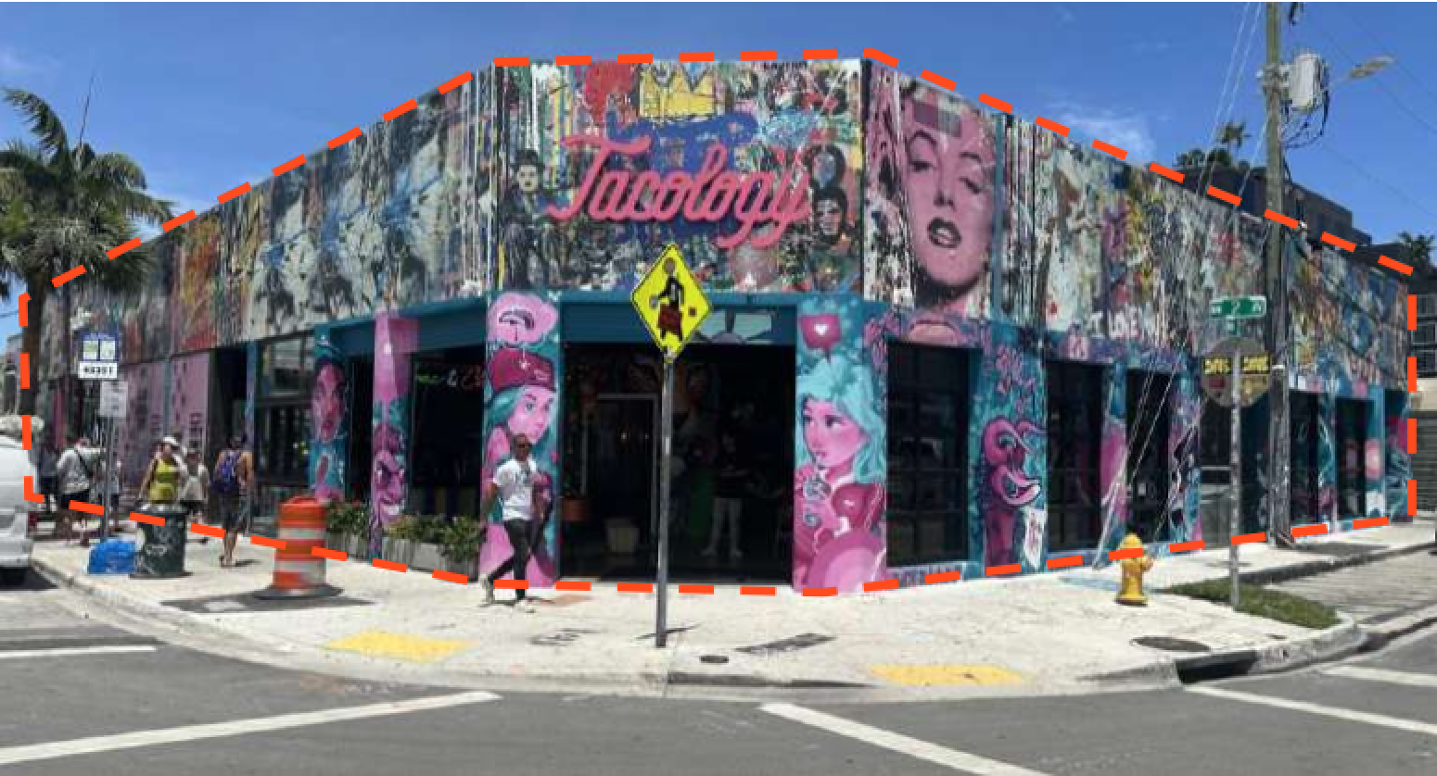
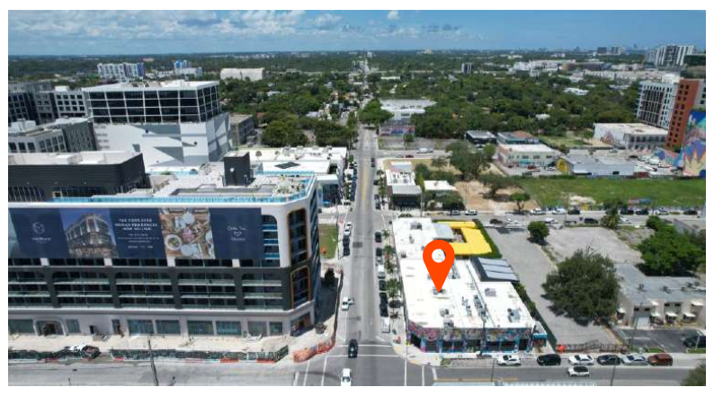
Financials
Address: | 2701 NW 2nd Ave
Product Type | Retail
Sub-Market | Wynwood
Tenants | 4
Price Guidance | $20,130,017.02
Total RSF | 8,325
Land SF | 11,815
Price Per RSF | $2,418.02
In-Place Cap Rate | 6.25%

Tenant | DBA | Unit | RSF | Annual Increases | Base Date | # of Escalations | MonthlyNNN Rent | Annual NNN Rent | Annual/SF | Lease Type | Exp.Date | Options
Chanelle Production, LLC | Wynwood Collective | Unit 1 | 953 | 3% | 2021-11-11 | 3 | $10,413.69 | $124,964.26 | $131.13 | NNN | 2026-11-10 | 5-Year Option
Quore Gelato, LLC | Quore Gelato | Unit 2 | 882 | 3% | 2022-05-24 | 3 | $10,039.43 | $120,473.15 | $136.59 | NNN | 2031-05-23 | 5-Year Option Executed
HT Wynwood LLC | Holy Toat | Unit 3 | 1,766 | 3% | 2025-05-01 | 0 | $16,335.50 | $196,026.00 | $111.00 | NNN | 2030-05-01 | 5-Year Option
Tacology of Wynwood LLC | Tacology | Unit 4-6 | 4,724 | 3.5% | 2024-04-15 | 1 | $64,687.50 | $776,250.00 | $164.32 | NNN | 2034-04-14 | No Option
 |  |  | 8,325 |  |  |  | $101,476.12 | $1,217,713.41

 |  |  |  |  |  |  | Tenant | Y1 2026 | Y2 2027 | Y3 -2028 | Y4 2029 | Y5 2030
 |  |  |  |  |  |  | Chanelle Production, LLC | $128,713.19 | $132,574.58 | $136,551.82 | $140,648.38 | $144,867.83
 |  |  |  |  |  |  | Quore Gelato, LLC | $124,087.35 | $127,809.97 | $131,644.27 | $135,593.59 | $139,661.40
 |  |  |  |  |  |  | HT Wynwood LLC | $201,906.78 | $207,963.98 | $214,202.90 | $220,628.99 | $227,247.86
 |  |  |  |  |  |  | Tacology of Wynwood LLC | $803,418.75 | $831,538.41 | $860,642.25 | $890,764.73 | $921,941.49
 |  |  |  |  |  |  | Total | $1,258,126.06 | $1,299,886.94 | $1,343,041.24 | $1,387,635.69 | $1,433,718.58

